Main page
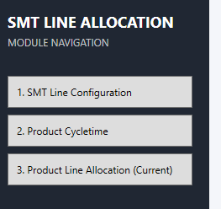
Main page
1) | I had altered the codes to show below text.
 | SMT LINE MANAGER
 | FUNCTION MENU

SMT Line Configuration
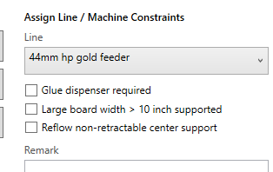
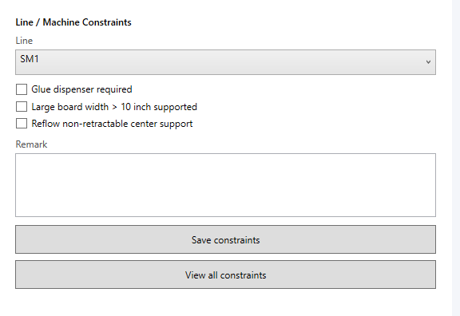
SMT Line Configuration
1)

 |  | allow user to create, update & remove constraints

 |  |  | FIX

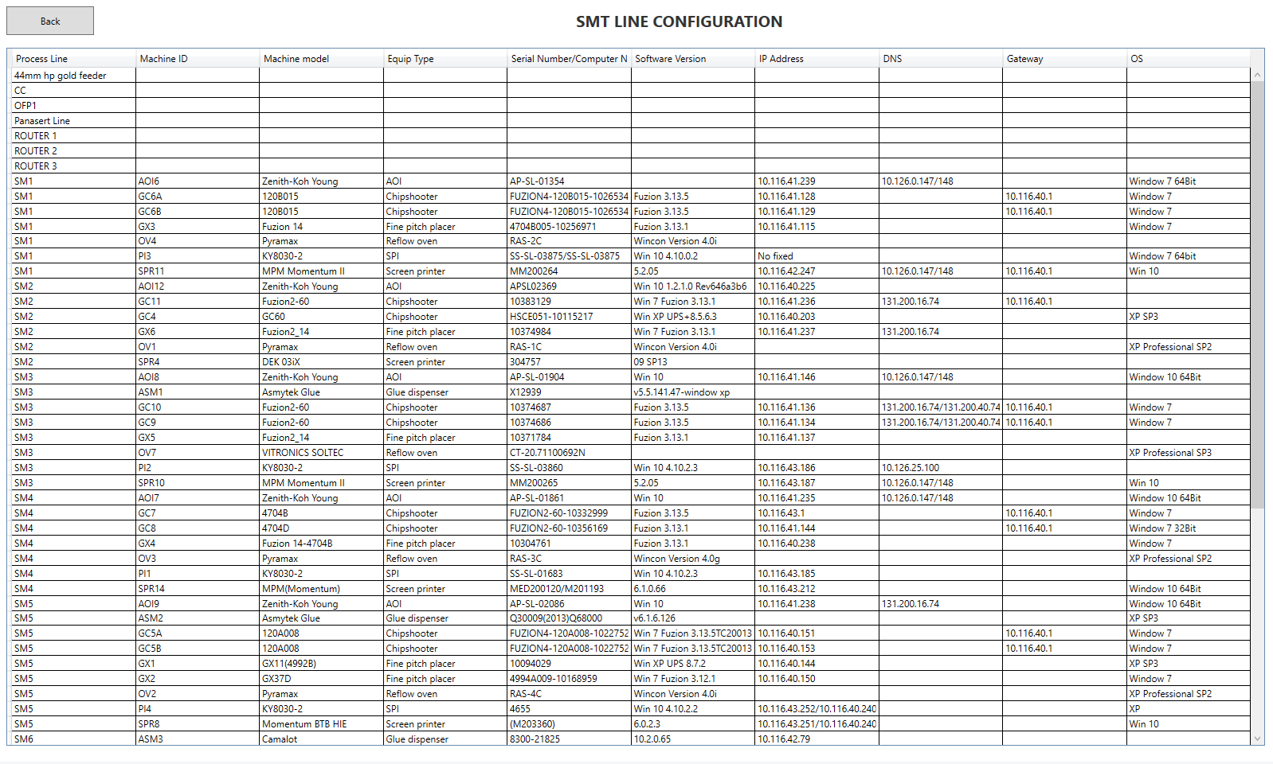
2)
 |  |  |  |  |  | allow user to edit, delete entire row of data or manually add new row of data

 |  |  |  |  |  |  | FIX

3) | Encounter abnormal result. After Import a table, follow by "Clear machine list", there are some residual information still exist in the table. Actually the clear machine list function is not needed if item#3 allows user to clear the rows of data.

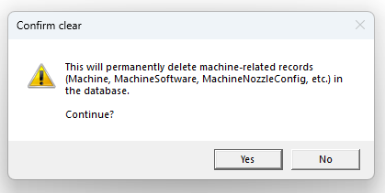

 |  |  |  |  | FIX BY DELETE THE BUTTON

4) | View Line function display Process Line, Machine ID, Machine Model & Equipment Type

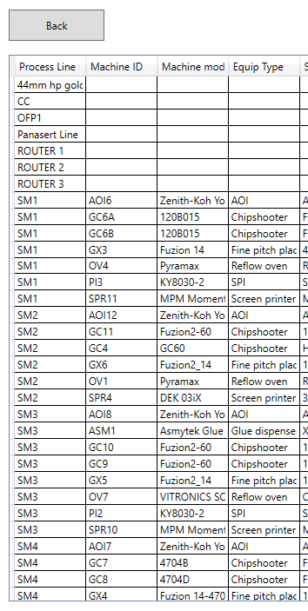

 |  |  |  | FIX

5) | I had revised the View line configuration and View machine nozzle configuration

 |  |  |  |  | Nozzel configuration is remade similarly

6) | I had revised "Assign Line/Machine Constraints"

Product Cycletime
Product Cycletime
1) | Lack of a button to display all data
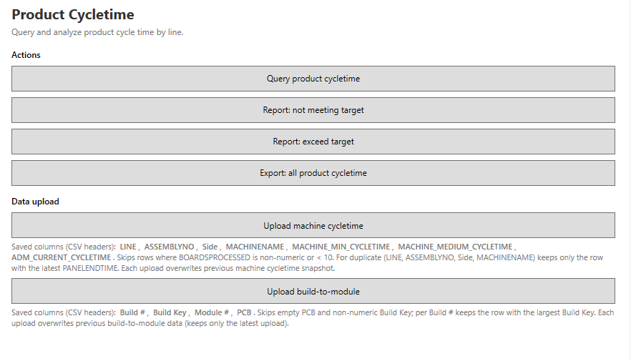

 |  |  |  |  | FIX

2) | Report: not meeting target don't need to display "Bottleneck" column | FIX

3) | Report: exceed target don't need to display "Bottleneck" column | FIX

4) | In Export all product cycletime, bottle neck calculation based on longest timing under MACHINE MEDIUM CYCLETIME |  |  | FIX

5) | Move the "Upload build-to-module" upwards, follow by "Upload machine cycletime". |  | FIX

6) | For build-to-module data upload, every time when a new file is uploaded, existing data with cycletime should retain, only new build# will be added to the database.

 |  |  |  |  | FIX(Clear rules appled separately

7) | For new machine cycletime file upload, the new data will overwrite Assembly data with cycletime. The existing cycletime in database should retain.

 |  |  |  |  | FIX(MAY CAUSE Data redundancy

Product Line Allocation
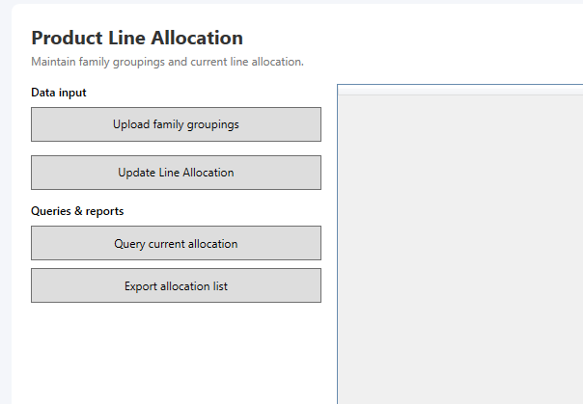
Product Line Allocation
1) | Lack of a function to display the table of data which currently in database
 |  | ASY | PCB | FAMILY | FAMILY# | TOP PRIOR1 | TOPCYCLE | BOTTOM PRIOR1
 |  |  |  |  |  | TOP PRIOR2
 |  |  |  |  |  | TOP PRIOR3

 |  |  |  |  | BOTTOM CYCLE | CIRCUIT

 |  | EXPORT file column | PCB | MODEL | SIDE | UP

 |  | FIX

2) | Need a function for user to input, edit, remove the data within the database

3) | This section appears to be partially done, some functions are not available.

